Pharma Supply Chain
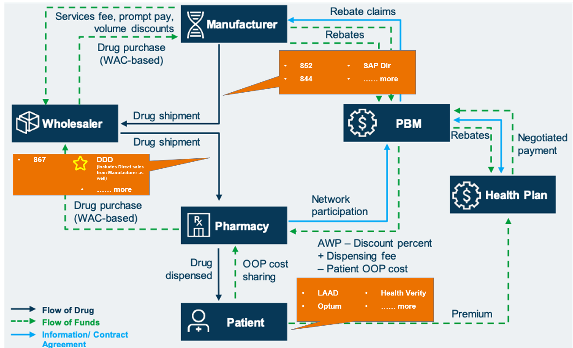
Pharmaceutical Industry Supply Chain | Shipment trade flow | Quick Note ->
 |  | 1. SAP DIR generally has shipments from pfizer to wholesalers
 |  | 2. Thus there is a separate feed fct cust end where we know about the end customer
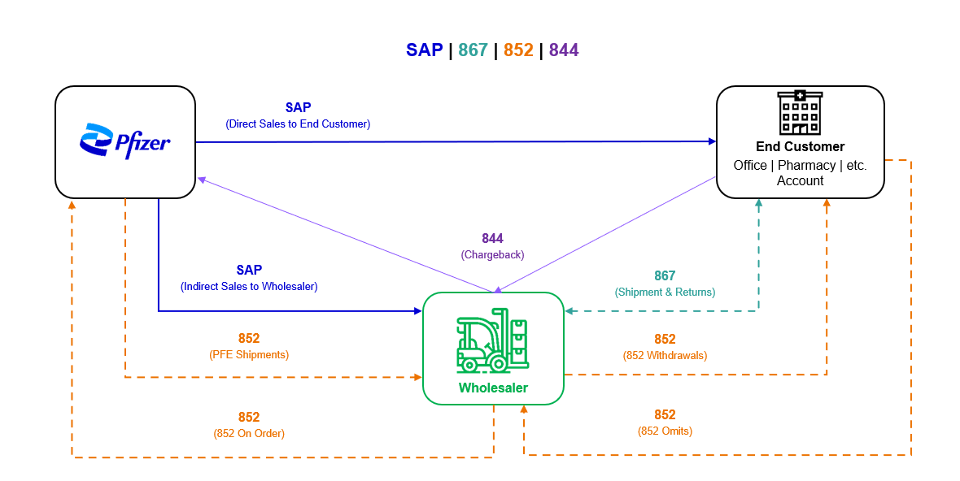
 |  | 3. Hence for wholesaler to pharmacy there is a separate feed 867

